WV44W116
NOBLAND 봉제작업지시서 SEWING
UPDATED: |  | 30-Mar-23 | PSP'23, SVVW, WV44W116 CS
[ VIETNAM / INDONESIA ]

CONSTRUCTION
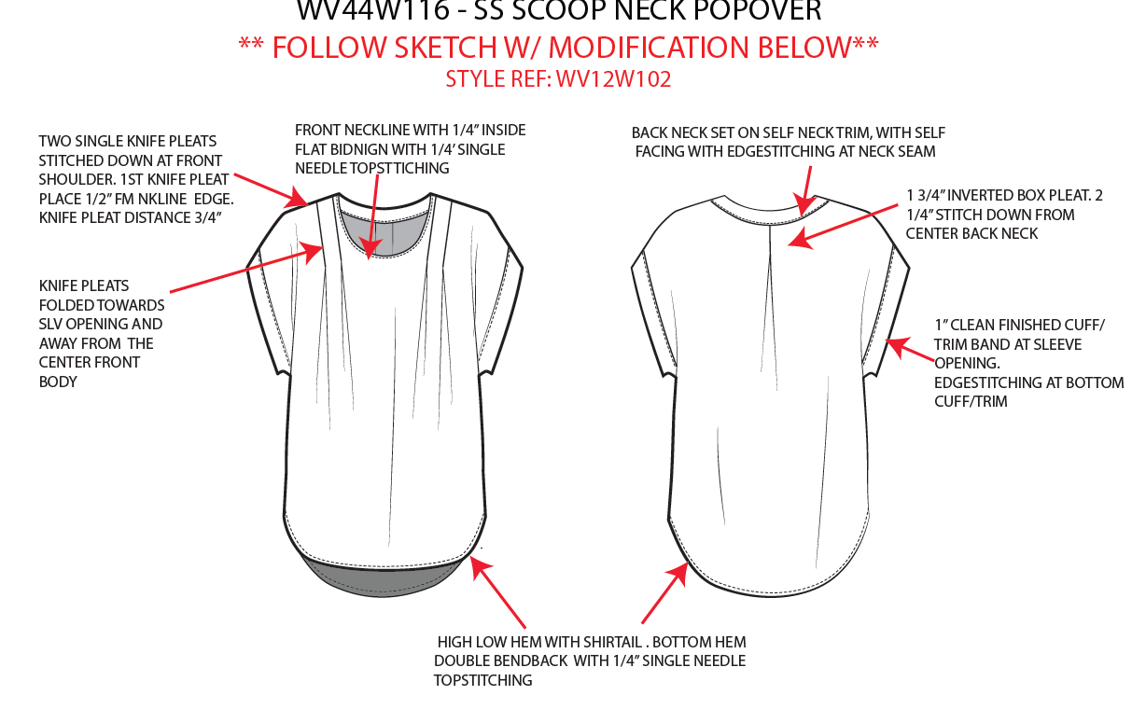

[

NO STITCH

SPEC
***Be careful Extended, relaxed spec

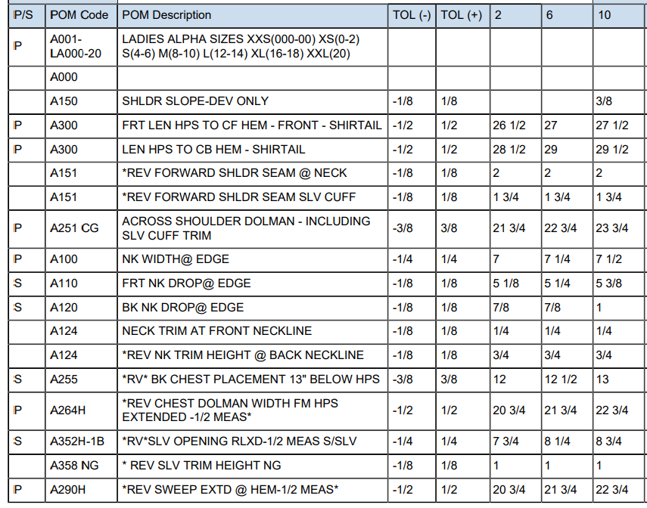

 | 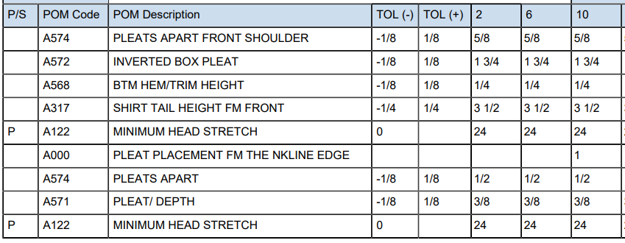

SPEC - W/O LINING

